Answer
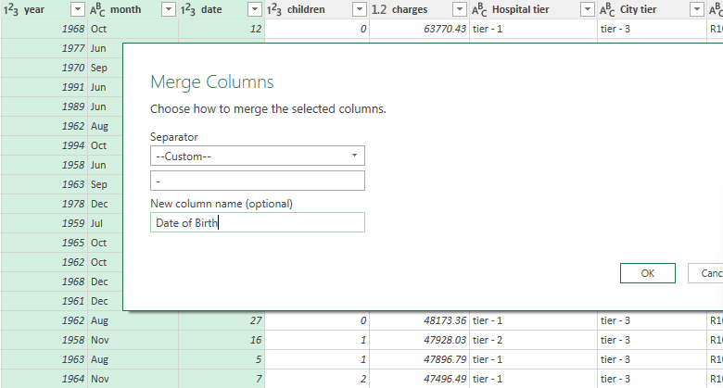
Duplicate values in Hospitalisation details

id | 2444 | 1987 | Nov | 27 | 2 | 20984.09 | tier - 2 | tier - 2 | R1015
id | 3444 | 2004 | Nov | 1 | 2 | 34303.17 | tier - 1 | tier - 3 | R1013
 |  | 2004 | Nov | 6 | 0 | 1137.01 | tier - 3 | tier - 1 | R1013
 |  | 1999 | Jun | 9 | 1 | 2775.19 | tier - 2 | tier - 1 | R1012
 |  | 1985 | Dec | 20 | 2 | 6203.9 | tier - 1 | tier - 2 | R1012
 |  | 2000 | Oct | 13 | 0 | 35585.58 | tier - 1 | tier - 2 | R1011
 |  | 1992 | Oct | 6 | 0 | 36837.47 | tier - 1 | tier - 2 | R1011
 |  | 1991 | Nov | 22 | 2 | 38711 | tier - 1 | tier - 3 | R1011

Split Customer Names Tittle,First Name,Last Name
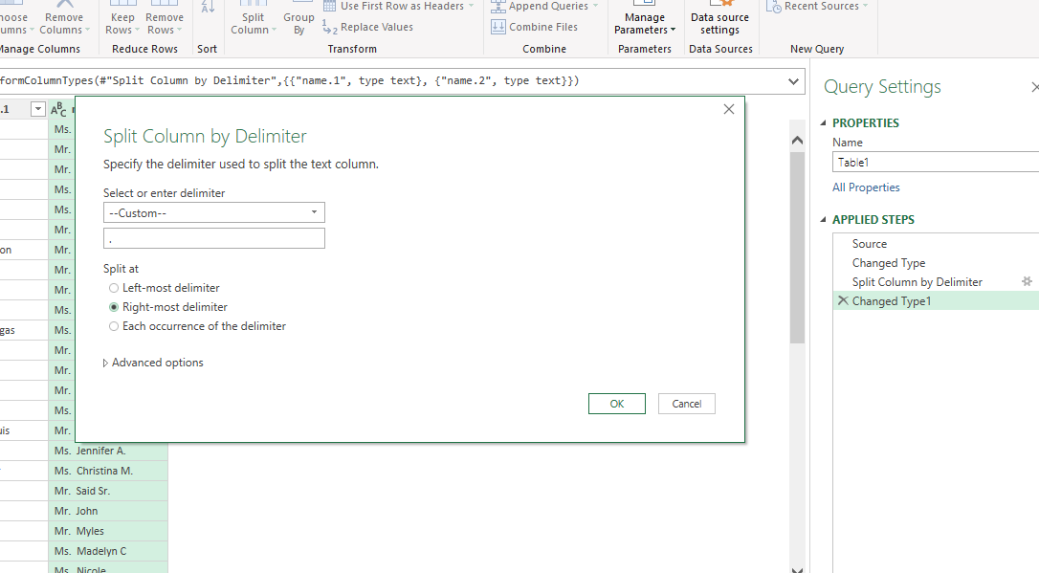
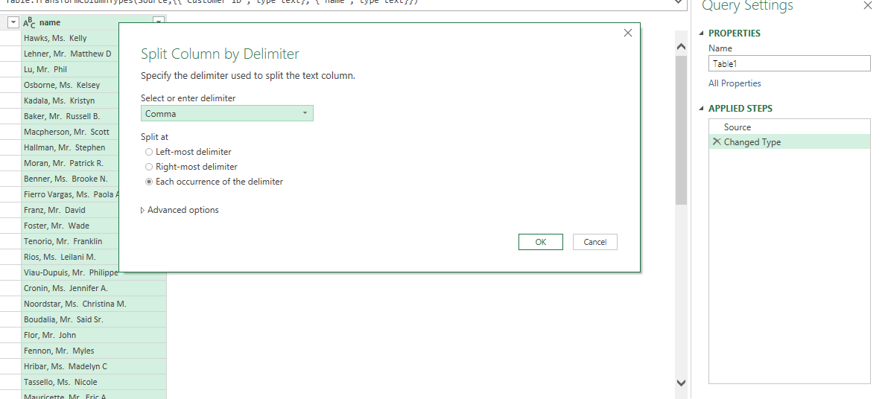

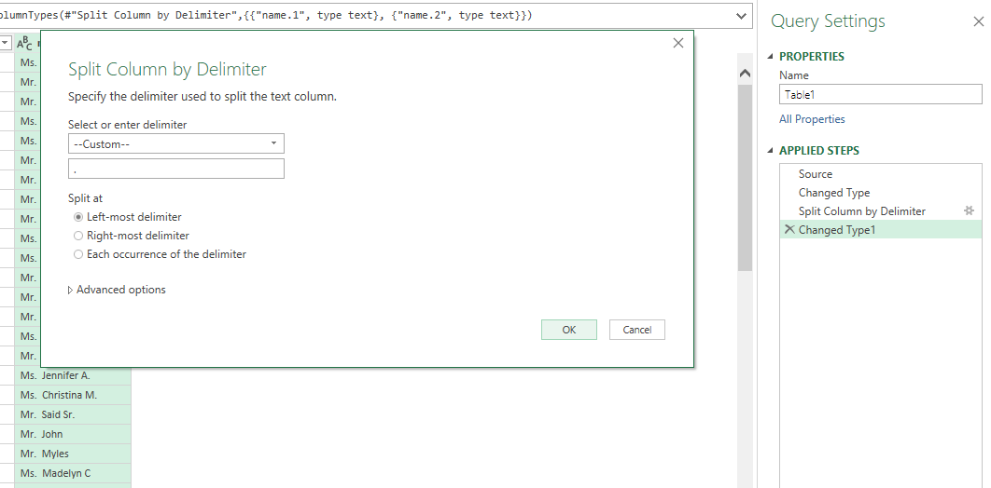

 | Inconsistencies Replace
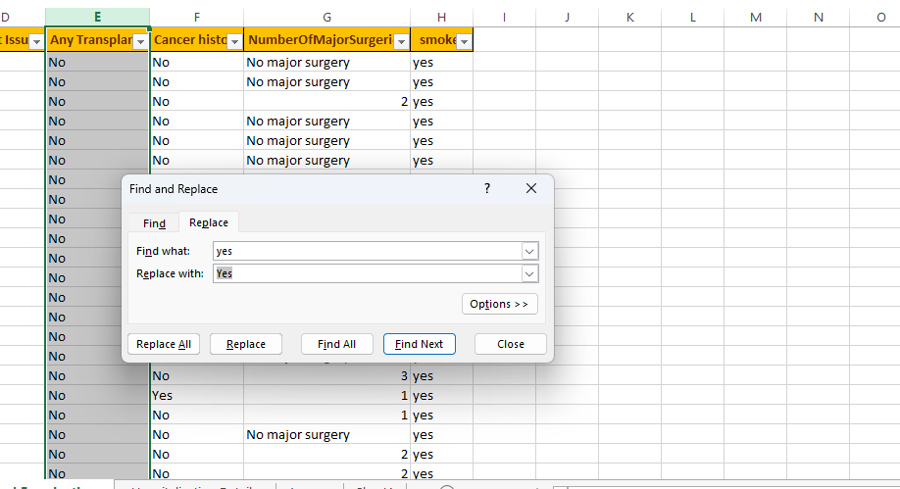
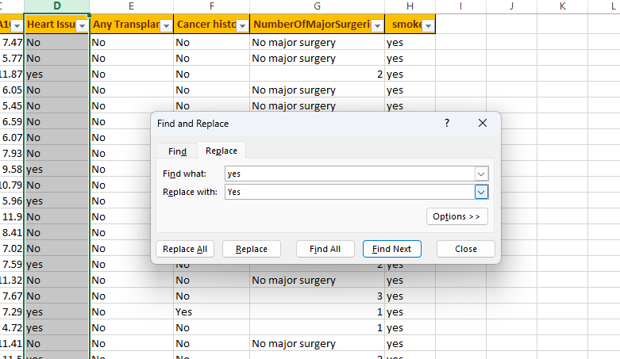

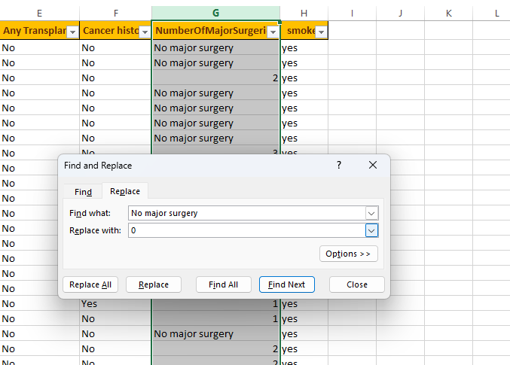
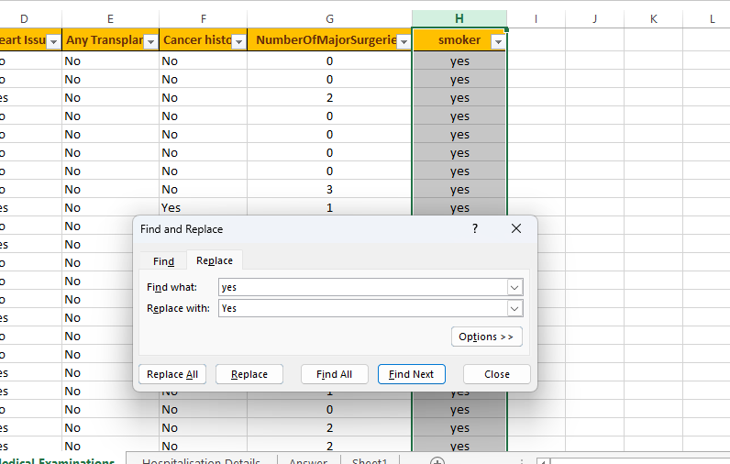

 | Smoker column most frequency occurring

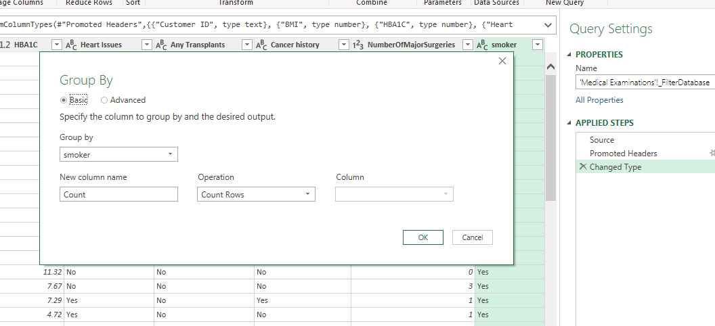
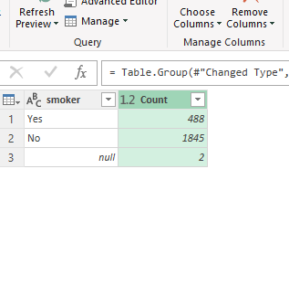
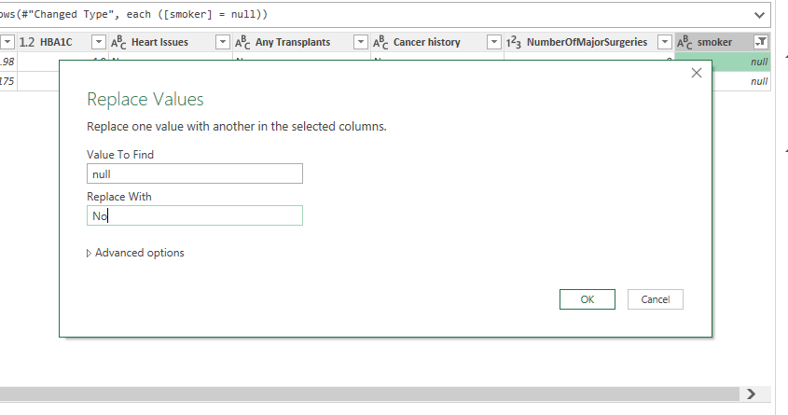

 | Weight Status column using Conditional column |  |  |  |  |  |  |  |  | Diabetes Status column using Conditional column

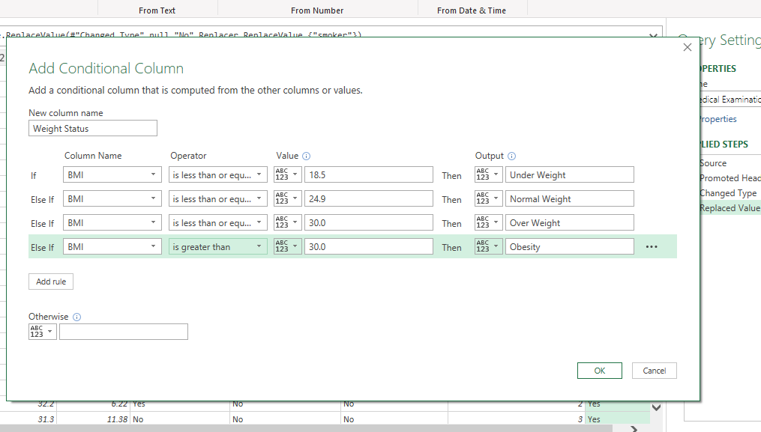
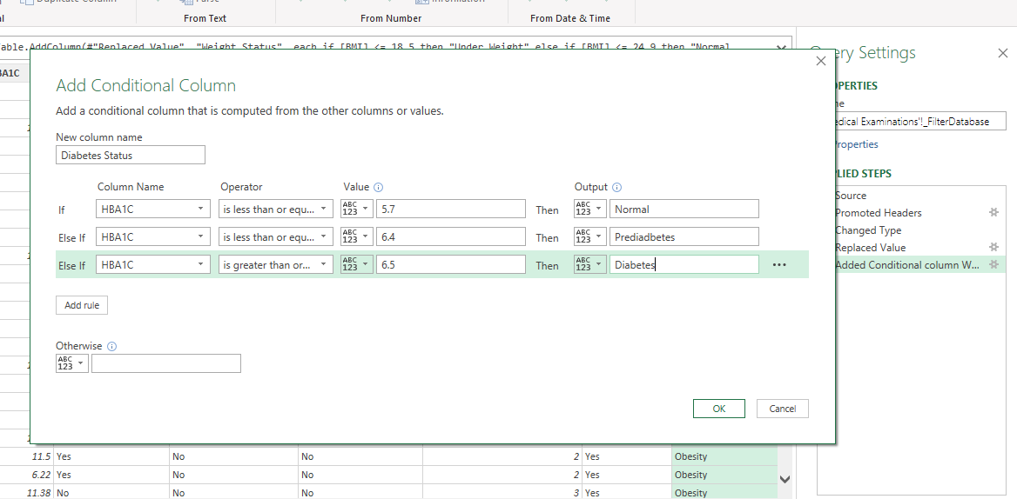

 | CustomerID Ascending Order and Merge column

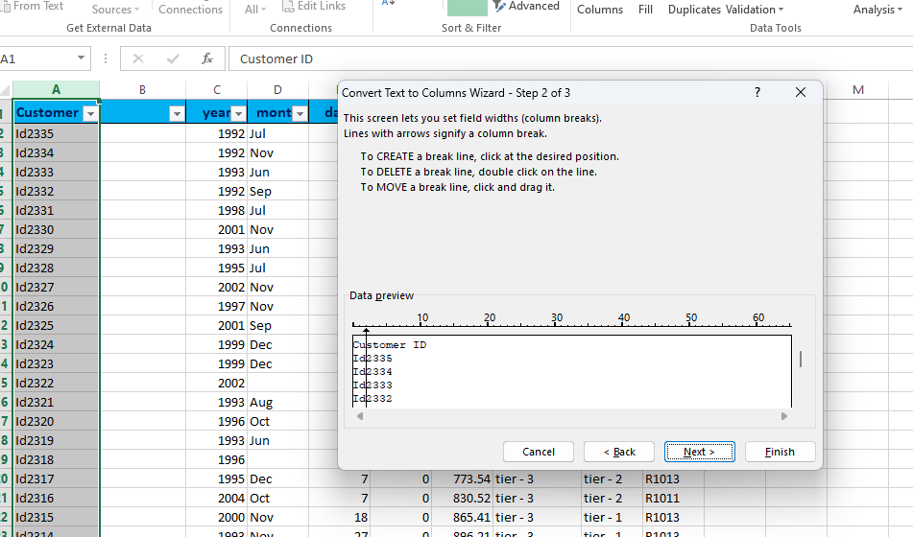
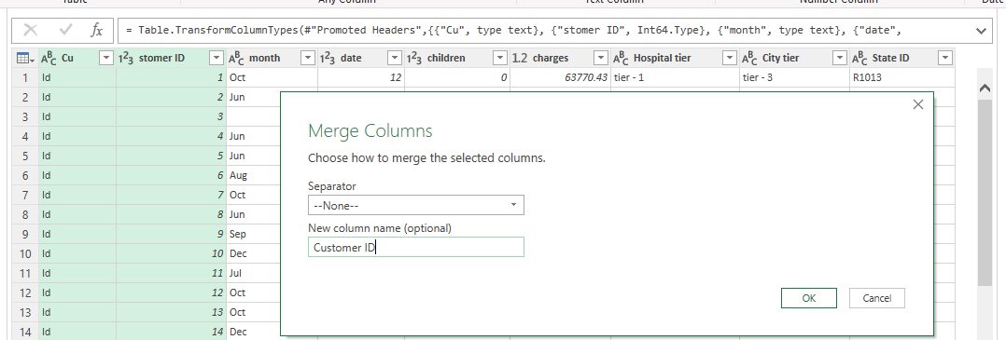

 | State ID Replace Unkown


 | Average Year and Replace Value

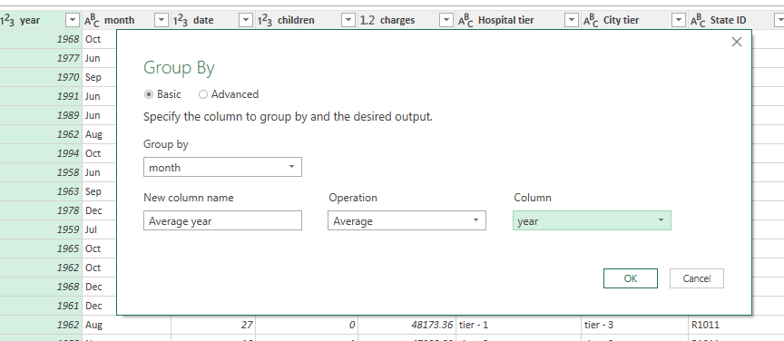
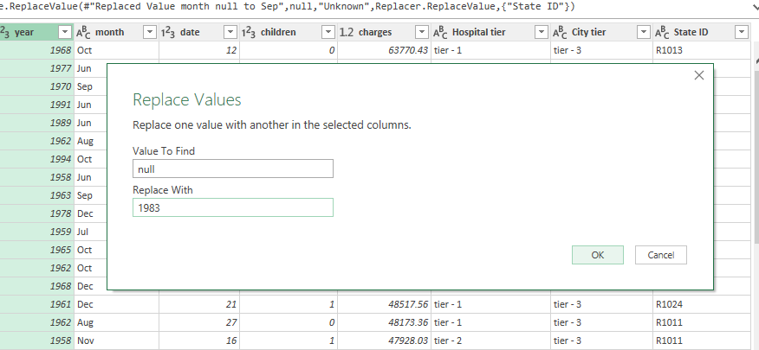

 | City Tier Most frequency Occurring

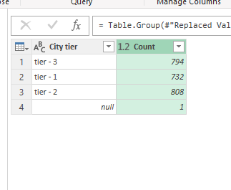
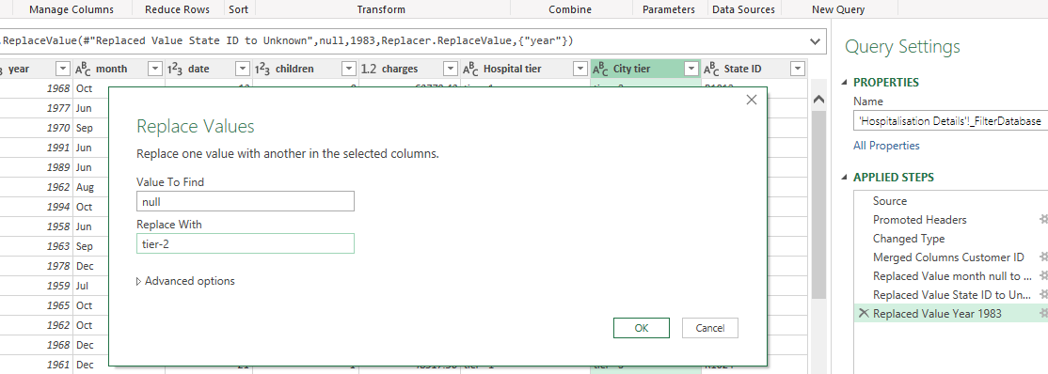

 | Hospital Tier Most frequency occurring

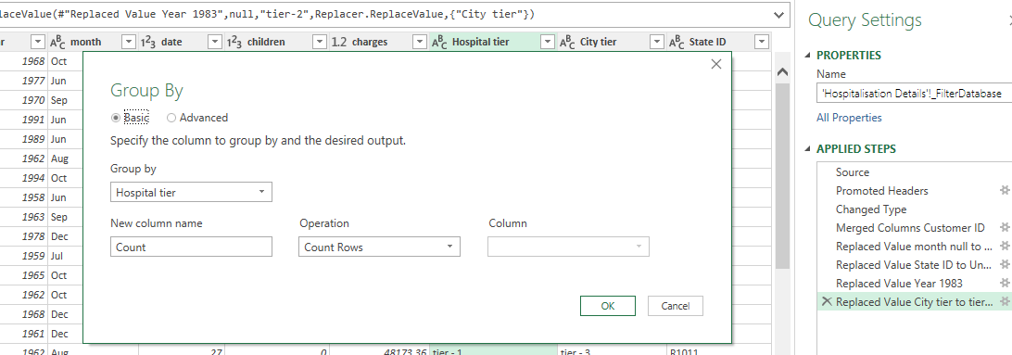

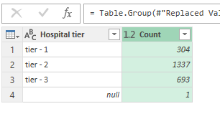

 | Merge Date Month and Year

Pivot table
Cancer History by Smoker
Major Surgeries Differ HBA1C & Transplants
Cancer History by Smoker

Count of Smoker | Column Labels
Row Labels | No | Yes
No | 1540 | 307
Yes | 404 | 84

Major Surgeries Differ HBA1C & Transplants
Row Labels | Count of Number of Major Surgeries | Average of HBA1C
No | 2191 | 6.67
Yes | 144 | 5.19

Charges Differ Weight Status &Diabetes Status
Chargees Differ Weigh Status & Diabetes Status
Average of Charges | Column Labels
Row Labels | Diabetes | Normal | Prediabetes
Normal Weight | 12499 | 7950 | 10557
Obesity | 19348 | 15205 | 15356
Over Weight | 14317 | 10251 | 9955
Under Weight | 7351 | 6885 | 5648

Average of Charges Hospial Tier & State ID
Average of Charges | Column Labels
Row Labels | tier - 1 | tier - 2 | tier - 3 | Grand Total
R1011 | 33081 | 18997 | 9250 | 19466
R1012 | 26111 | 10334 | 10180 | 12016
R1013 | 31328 | 8439 | 6891 | 10515
R1014 | 13892 | 2395 | 16950 | 13478
R1015 | 21524 | 15676 | 7571 | 13949
R1016 | 39869 | 16076 | 8133 | 13589
Average Charges Hospital Tier & State ID
 | tier - 1 | tier - 2 | tier - 3
R1011 | 33081 | 18997 | 9250
R1012 | 26111 | 10334 | 10180
R1013 | 31328 | 8439 | 6891
R1014 | 13892 | 2395 | 16950
R1015 | 21524 | 15676 | 7571
R1016 | 39869 | 16076 | 8133
R1017 | 34071 | 11366 | 8667
R1018 | 33476 | 10140 | 12571
R1019 | 27622 | 8117 | 12707
R1020 |  | 6761 | 11716
R1021 |  | 7668 | 11519
R1022 |  | 10102 | 11638
R1023 | 18262 | 13457 | 12786
R1024 | 32732 | 10174 | 13361
R1025 |  | 6886 | 10510
R1026 | 18710 | 11920 | 12297
Unknown | 20997
R1017 | 34071 | 11366 | 8667 | 14806
R1018 | 33476 | 10140 | 12571 | 13273
R1019 | 27622 | 8117 | 12707 | 13633
R1020 |  | 6761 | 11716 | 9238
R1021 |  | 7668 | 11519 | 8933
R1022 |  | 10102 | 11638 | 10651
R1023 | 18262 | 13457 | 12786 | 13786
R1024 | 32732 | 10174 | 13361 | 12865
R1025 |  | 6886 | 10510 | 8789
R1026 | 18710 | 11920 | 12297 | 12490
Unknown | 20997 |  |  | 20997
Grand Total | 30129.198586 | 11865.268767 | 9462.2693074 | 13529.918034

Age Between BMI & HBA1C
Row Labels | Average of BMI | Average of HBA1C
18 | 31 | 5
19 | 30 | 5
20 | 28 | 9
Age Between BMI & HBA1C
21 | 29 | 5
22 | 33 | 5
23 | 31 | 5
24 | 29 | 5
25 | 30 | 5
26 | 30 | 5
27 | 30 | 5
28 | 31 | 5
29 | 31 | 5
30 | 34 | 5
31 | 31 | 5
32 | 33 | 5
33 | 31 | 5
34 | 31 | 5
35 | 30 | 5
36 | 29 | 9
37 | 30 | 5
38 | 28 | 5
39 | 30 | 5
40 | 31 | 5
41 | 30 | 9
42 | 30 | 5
43 | 32 | 5
44 | 30 | 9
45 | 31 | 6
46 | 31 | 5
47 | 32 | 9
48 | 32 | 10
49 | 30 | 10
50 | 31 | 5
51 | 31 | 9
52 | 31 | 9
53 | 30 | 5
54 | 31 | 9
55 | 33 | 10
56 | 33 | 5
57 | 30 | 9
58 | 32 | 5
59 | 32 | 9
60 | 31 | 9
61 | 33 | 9
62 | 32 | 10
63 | 32 | 6
64 | 33 | 9
65 | 27 | 10
Grand Total | 30.972648822 | 6.5789978587

Age ByAverage of Charges

Age by Average of Charges
Row Labels | Average of Charges
18 | 6611
19 | 9677
20 | 7411
21 | 5215
22 | 9806
23 | 11093
24 | 9766
25 | 9185
26 | 5921
27 | 11846
28 | 9220
29 | 9915
30 | 13788
31 | 10346
32 | 14698
33 | 11891
34 | 11887
35 | 10817
36 | 12291
37 | 16504
38 | 10223
39 | 13882
40 | 13058
41 | 12031
42 | 13180
43 | 17981
44 | 15162
45 | 15183
46 | 17592
47 | 19264
48 | 15254
49 | 14768
50 | 16208
51 | 17322
52 | 16572
53 | 16030
54 | 17862
55 | 18448
56 | 17001
57 | 15704
58 | 14948
59 | 18164
60 | 20577
61 | 22024
62 | 19325
63 | 19905
64 | 22631
65 | 29331
Grand Total | 13529.918034

Dashboard
Healthcare Dashboard

Cancer History by Smoker
 | No | Yes
No | 1540 | 307
Yes | 404 | 84
Charges Differ Weight Status &Diabetes Status
 | Diabetes | Normal | Prediabetes
Normal Weight | 12499 | 7950 | 10557
Obesity | 19348 | 15205 | 15356
Over Weight | 14317 | 10251 | 9955
Under Weight | 7351 | 6885 | 5648
Age by Average of Charges
 | Total
18 | 6611
19 | 9677
20 | 7411
21 | 5215
22 | 9806
23 | 11093
24 | 9766
25 | 9185
26 | 5921
27 | 11846
28 | 9220
29 | 9915
30 | 13788
31 | 10346
32 | 14698
33 | 11891
34 | 11887
35 | 10817
36 | 12291
37 | 16504
38 | 10223
39 | 13882
40 | 13058
41 | 12031
42 | 13180
43 | 17981
44 | 15162
45 | 15183
46 | 17592
47 | 19264
48 | 15254
49 | 14768
50 | 16208
51 | 17322
52 | 16572
53 | 16030
54 | 17862
55 | 18448
56 | 17001
57 | 15704
58 | 14948
59 | 18164
60 | 20577
61 | 22024
62 | 19325
63 | 19905
64 | 22631
65 | 29331

Major Surgeries Differ HBA1C & Transplants
 | Count of Number of Major Surgeries | Average of HBA1C
No | 2191 | 6.67
Yes | 144 | 5.19
Average Charges Hospital Tier & State ID
 | tier - 1 | tier - 2 | tier - 3
R1011 | 33081 | 18997 | 9250
R1012 | 26111 | 10334 | 10180
R1013 | 31328 | 8439 | 6891
R1014 | 13892 | 2395 | 16950
R1015 | 21524 | 15676 | 7571
R1016 | 39869 | 16076 | 8133
R1017 | 34071 | 11366 | 8667
R1018 | 33476 | 10140 | 12571
R1019 | 27622 | 8117 | 12707
R1020 |  | 6761 | 11716
R1021 |  | 7668 | 11519
R1022 |  | 10102 | 11638
R1023 | 18262 | 13457 | 12786
R1024 | 32732 | 10174 | 13361
R1025 |  | 6886 | 10510
R1026 | 18710 | 11920 | 12297
Unknown | 20997
Age Between BMI & HBA1C
 | Average of BMI | Average of HBA1C
18 | 31 | 5
19 | 30 | 5
20 | 28 | 9
21 | 29 | 5
22 | 33 | 5
23 | 31 | 5
24 | 29 | 5
25 | 30 | 5
26 | 30 | 5
27 | 30 | 5
28 | 31 | 5
29 | 31 | 5
30 | 34 | 5
31 | 31 | 5
32 | 33 | 5
33 | 31 | 5
34 | 31 | 5
35 | 30 | 5
36 | 29 | 9
37 | 30 | 5
38 | 28 | 5
39 | 30 | 5
40 | 31 | 5
41 | 30 | 9
42 | 30 | 5
43 | 32 | 5
44 | 30 | 9
45 | 31 | 6
46 | 31 | 5
47 | 32 | 9
48 | 32 | 10
49 | 30 | 10
50 | 31 | 5
51 | 31 | 9
52 | 31 | 9
53 | 30 | 5
54 | 31 | 9
55 | 33 | 10
56 | 33 | 5
57 | 30 | 9
58 | 32 | 5
59 | 32 | 9
60 | 31 | 9
61 | 33 | 9
62 | 32 | 10
63 | 32 | 6
64 | 33 | 9
65 | 27 | 10

Dashboard screenshot
